Introduction
 Budget impact template

 | INTRODUCTION TO THE DHTC BUDGET IMPACT ANALYSIS

 | This budget impact template is provided by the Danish Health Technology Council (DHTC) for use by applicants undergoing an evaluation proces of a health technology. The objective of the budget impact analysis is to estimate the overall 5-year budget impact of implementing/adding a new health technology or phasing out an existing health technology within the current market mix. The payer and budget perspective must be that of the regional hospitals across Denmark. Budget impact analysis differs from health economic evaluations on several key factors, some of which are outlined below.

 |  | Factor | Budget Impact Analysis | Health Economic Evaluation
 |  | Perspective | Payer (DK regional hospitals) | Limited societal
 |  | Time Horizon | 5 years | As per evaluation design
 |  | Include population size | Yes | No
 |  | Cost level | Total population | Per patient
 |  | Cost of personnel | Gross hourly salary | Effective hourly salary
 |  | Cost of materials | Market prices | Market prices
 |  | Use of discounting | No | Yes
 |  | Include overhead | No | Yes
 |  | Depreciation of costs | No | If relevant

 | This template is provided as a generalized framework for the applicant. If the specific health technology requires the applicant to change, omit, rename or rethink part(s) of the template, the applicant is encouraged to do so while minding the transparency of the model. It must be readily apparent to the DHTC what has been done, and why.

 | When filling out the budget impact template take note of purple cells. These indicate cells applicants can populate with relevant input data. Should some white cells need change or input (depends on the specific case/evaluation) the applicant is encouraged to change the input data in these cells to match the need.

 | The model consists of 11 sheets:

 |  | Introduction | Provides top-line information about the purpose, structure and use of the budget impact model
 |  | Results | Visualizes the main budget impact result
 |  | Population | Input sheet for population/usage-based data or estimates going into the model
 |  | Treatment Mix | Input sheet for data or estimates related to market share/expected uptake going into the model
 |  | Personel | Input sheet for data or estimates related to personel activity/resourse use linked to the health tech cost sub-sections
 |  | Health Tech Costs | Input sheet for data or estimates related to implementation, diagnostics, treatment procedures and follow-up activities
 |  | Adverse Event Costs | Input sheet for data or estimates related to disease management or adverse event costing at hospital level
 |  | Engine | Outlines and calculates the output data used to visualize the overall budget impact presented in "Results"
 |  | Key Costs Table | Contains a large amount of key costs and rates frequently used to populate the budget impact model
 |  | DRG-Rates | Rates for 2021 and 2020 (in danish) provided as support for costing procedures at the regional hospital level
 |  | References | Input sheet for the detailed list of sources and references used to fill out the cost anlysis template

 | The overall process of conducting a budget impact analysis is illustrated in the figure below. The process is divided into five major steps.

 | Step 1 pertains to the identification of eligible patients (patients who are considered within indication and who have been diagnosed).

 | Step 2 outlines the market situation in which the intervention is not used (or the market situation as it currently is, if the intervention is used to some extend at the time of this analysis). This situation is compared to a new situation in which the product is used to its full potential - with adherence to indication, patient population restrictions and the applicants own expectations as to market share.

 | Step 3 deals with identifying and costing all relevant cost categories across intervention and comparator. For the purposes of this template the cost section is split into costs associated with implementation, diagnostics, treatment and follow-up procedures to allow for transparency in budget impact.

 | Step 4 focuses on estimating the number of relevant (in this template defined as number of hospital stays/bed-days due to the perspective being the hospital sector) interactions with the hospital sector across intervention and comparator.

 | Step 5 is the final comparison of budget impact when compiling all information provided in steps 1 through 4. The budget impact is the difference in estimated budgets between the scenario in which the intervention is not used versus the situation in which the intervention is used.
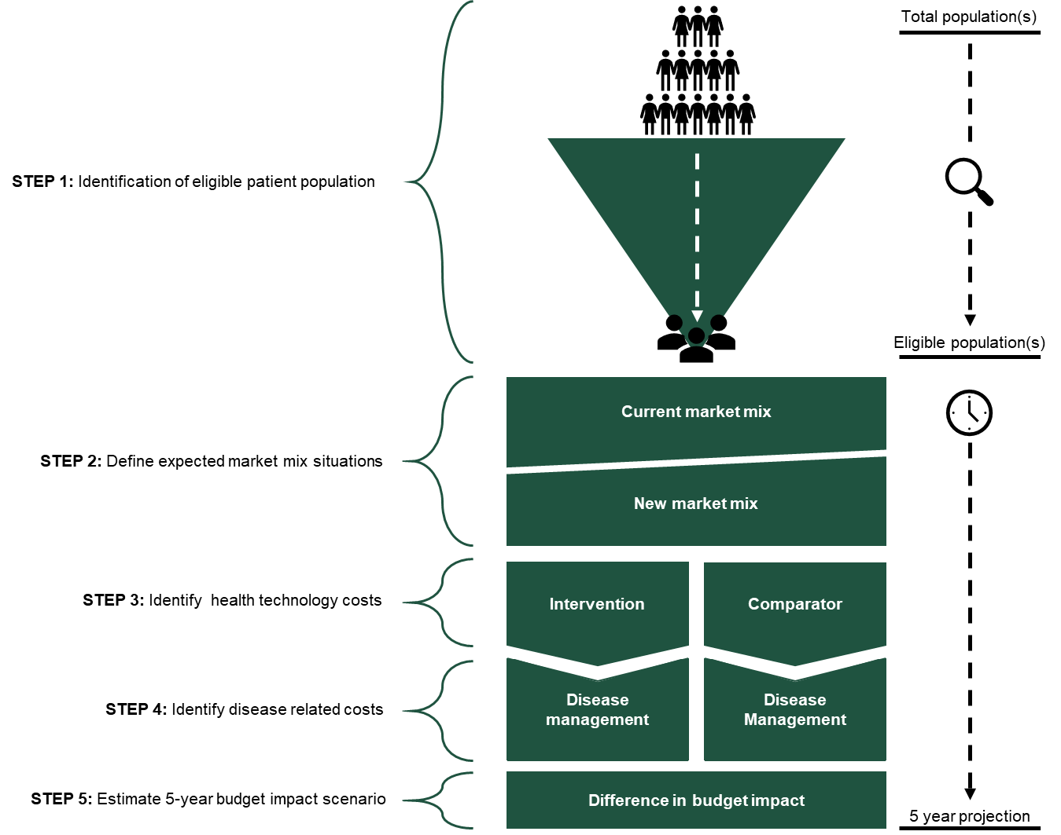

 | In conjunction to understanding the overall proces of conducting a budget impact analysis it is important to get an early idea about the content of a budget impact analysis. The ISPOR Task Force Report (2012) outlines the principles of good practice when conducting a budget impact analysis. The article covers a wide range of considerations important for a budget impact analysis - the majority of which are presented in the schematic below (modified from ISPOR Task Force Report 2012). The article in its full length is available to the public: http://dx.doi.org/10.1016/j.jval.2013.08.2291

CURRENT ENVIRONMENT
KEY FACTOR
IMPACT ON
NEW ENVIRONMENT
Total population
Sick population
Target population
Resources utilization (hospital, ambulatory … )
Cost of illness
New total population
New sick population
New target population
New resources utilization (hospital, ambulatory … )
New cost of illness
Budget Impact
Difference
Incidence
prevalence
% diagnosed
% treated
Current treatment
pathway
Unit costs
Incidence
(preventive interventions)
Diagnosis
Treatment
Hospitalization
MD visits, diagnostic tests
Other therapies
New therapy or
New procedure

Results
Results

 | BUDGET IMPACT RESULTS

 | Budget Impact | Year 1 | Year 2 | Year 3 | Year 4 | Year 5 | Total | Aveage
 | Difference between scenarios | 2,029,178 kr. | 1,476,477 kr. | 4,611,030 kr. | 11,394,962 kr. | 12,448,537 kr. | 31,960,184 kr. | 6,392,037 kr.
 | New patients treated | 2798 | 2800 | 2803 | 2806 | 2809 | 14015 | 2803

Estimated total regional hospital budget impact if new technology is implemented

